Прейскурант на звонки
 | Тарифы на услуги телефонии по IP-протоколу для юридических лиц и индивидуальных предпринимателей
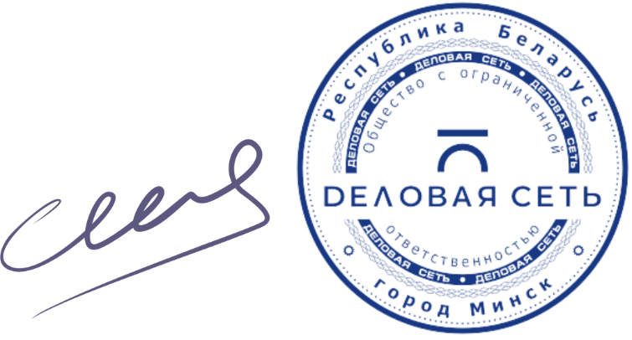

Генеральный директор |  | П.Г. Алексеенко
 |  | 2021-05-01

Введите код страны оператора* | 213 | Тариф с НДС_бел.руб/мин | 16.25
*Если стоимость не отображается, введите дополнительно первую цифру номера телефона. Вводите код без символа "+"

Нажмите на "+", чтобы увидеть список стран и направлений
Направление | Тариф с НДС_бел.руб/мин
Afghanistan | 0.66
Albania | 1.05
Algeria
213
ALGERIA | 16.25
2135
ALGERIA-WATANYA-MOBILE | 16.25
2136
ALGERIA-MOBILE | 16.25
2137
ALGERIA-ORASCOM-MOBILE | 16.25
21320
ALGERIA-ALGIERS | 16.25
21321
ALGERIA-ALGIERS | 16.25
21322
ALGERIA-ALGIERS | 16.25
21390
ALGERIA-ORASCOM-MOBILE | 16.25
21391
ALGERIA-ORASCOM-MOBILE | 16.25
21392
ALGERIA-ORASCOM-MOBILE | 16.25
21393
ALGERIA-ORASCOM-MOBILE | 16.25
21394
ALGERIA-ORASCOM-MOBILE | 16.25
21395
ALGERIA-ORASCOM-MOBILE | 16.25
21396
ALGERIA-ORASCOM-MOBILE | 16.25
21398
ALGERIA-MOBILE | 16.25
21399
ALGERIA-MOBILE | 16.25
American Samoa | 16.25
Andorra | 0.41
Angola | 0.78
Anguilla | 16.25
Antarctica | 16.25
Antigua & Barbuda | 16.25
Argentina | 0.44
Armenia | 0.59
Aruba | 16.25
Ascension isl | 16.25
Australia | 0.55
Austria | 0.58
Azerbaijan | 0.78
Bahamas | 16.25
Bahrain | 0.55
Bangladesh | 0.55
Barbados | 16.25
Belgium | 1.05
Belize | 0.78
Benin | 0.89
Bermuda | 16.25
Bhutan | 0.60
Bolivia | 0.55
Bosnia & Herzegovina | 0.83
Botswana | 0.63
Brazil | 0.55
British Virgin isl | 16.25
Brunei Darussalam | 0.55
Bulgaria | 0.64
Burkina Faso | 16.25
Burundi | 16.25
Cambodia | 0.55
Cameroon | 1.08
Canada | 0.55
Cape Verde | 16.25
Cayman isl | 16.25
Central African Rep | 16.25
Chad | 16.25
Chile | 0.55
China | 0.55
Colombia | 0.89
Comoros | 16.25
Congo | 4.11
Cook isl | 16.25
Costa Rica | 0.55
Cote DIvoire | 0.88
Croatia | 16.25
Cuba | 16.25
Cyprus | 0.49
Czech Rep | 0.64
Dem. Rep. of Congo | 16.25
Denmark | 16.25
Diego Garcia | 16.25
Djibouti | 0.81
Dominica | 16.25
Dominican Rep | 16.25
East Timor | 3.53
Ecuador | 0.63
Egypt | 0.63
El Salvador | 0.89
Emirates | 16.25
Equatorial Guinea | 1.19
Eritrea | 0.84
Estonia | 1.19
Ethiopia | 0.74
Falkland isl | 4.16
Faroe isl | 0.96
Fiji | 16.25
Finland | 0.94
France | 0.49
French Guiana | 1.55
French Polynesia | 16.25
Gabon | 1.63
Gambia | 1.64
Georgia | 0.74
Germany | 0.36
Ghana | 16.25
Gibraltar | 0.85
GLOBSTAR | 16.25
Greece | 0.48
Greenland | 16.25
Grenada | 16.25
Guadeloupe | 1.04
Guam | 0.89
Guatemala | 0.89
Guinea | 1.15
Guyana | 0.96
Haiti | 16.25
Honduras | 0.61
Hong Kong | 0.55
Hungary | 0.64
Iceland | 0.48
India | 0.55
Indonesia | 0.55
INMARSAT | 16.25
INTERNATIONAL NETWORKS | 14.17
Iran | 0.60
Iraq | 0.65
Ireland | 0.48
IRIDIUM | 13.59
Israel | 0.55
Italy | 0.39
Jamaica | 16.25
Japan | 0.55
Jordan | 0.70
Kazakhstan | 0.58
Kenya | 0.63
Kiribati | 16.25
Korea North | 1.43
Korea South | 0.89
Kuwait | 0.63
Kyrgyzstan | 0.43
Laos | 0.63
Latvia | 1.09
Lebanon | 0.56
Lesotho | 16.25
Liberia | 1.21
Libya | 0.66
Liechtenstein | 0.97
Lithuania | 1.19
Luxembourg | 0.85
Macau | 0.89
Macedonia | 0.94
Madagascar | 1.70
Malawi | 16.25
Malaysia | 0.55
Maldives | 16.25
Mali | 16.25
Malta | 0.48
Mariana isl | 0.89
Marshall isl | 16.25
Martinique | 16.25
Mauritania | 1.29
Mauritius | 0.89
Mexico | 16.25
Micronesia | 16.25
Moldova | 1.45
Monaco | 0.71
Mongolia | 0.55
Montenegro | 1.29
Montserrat | 4.16
Morocco | 1.33
Mozambique | 0.85
Myanmar | 0.96
Namibia | 0.55
Nauru | 16.25
Nepal | 0.60
Neth. Antilles | 0.83
Netherlands | 0.83
New Caledonia | 16.25
New Zealand | 0.55
Nicaragua | 0.64
Niger | 0.60
Nigeria | 0.60
Niue | 16.25
Norfolk isl | 16.25
Norway | 0.48
Oman | 0.64
Pakistan | 0.60
Palau | 1.64
Palestine | 0.81
Panama | 0.60
Papua New Guinea | 16.25
Paraguay | 0.60
Peru | 0.60
Philippines | 0.60
Poland | 0.38
Portugal | 0.88
Puerto Rico | 0.55
Qatar | 0.60
Reunion isl | 16.25
Romania | 0.64
Russia | 0.38
Rwanda | 16.25
San Marino | 3.03
Sao Tome & Principe | 16.25
Saudi Arabia | 0.55
Senegal | 0.73
Serbia | 1.02
Seychelles | 16.25
Sierra Leone | 16.25
Singapore | 0.55
Slovakia | 0.64
Slovenia | 0.66
Solomon isl | 16.25
Somalia | 16.25
South Africa | 0.60
South Sudan | 16.25
Spain | 0.60
Sri Lanka | 0.60
St. Helena | 4.79
St. Kitts & Nevis | 16.25
St. Lucia | 16.25
St. Maarten | 1.34
St. Pierre & Miquelon | 16.25
St. Vincent & Grenadines | 16.25
Sudan | 0.61
Suriname | 16.25
Swaziland | 0.89
Sweden | 0.48
Switzerland | 0.95
Syria | 0.88
Taiwan | 0.55
Tajikistan | 0.41
Tanzania | 1.05
Thailand | 0.55
THURAYA | 16.25
Togo | 0.94
Tokelau | 16.25
Tonga | 5.34
Trinidad & Tobago | 16.25
Tunisia | 16.25
Turkey | 0.46
Turkmenistan | 0.39
Turks & Caicos isl | 4.16
Tuvalu | 2.43
Uganda | 0.98
UK | 0.40
Ukraine | 0.51
United Arab Emirates | 0.89
Uruguay | 0.60
US Virgin isl | 16.25
USA | 0.73
Uzbekistan | 0.38
Vanuatu | 16.25
VATICAN | 16.25
Venezuela | 0.61
Vietnam | 0.61
VODAFONE EMERGENCY CALL M2M | 16.25
Wallis & Futuna isl | 16.25
Western Samoa | 16.25
Yemen | 0.60
Zambia | 1.08
Zimbabwe | 0.94
Беларусь | 0.05

